Introduction
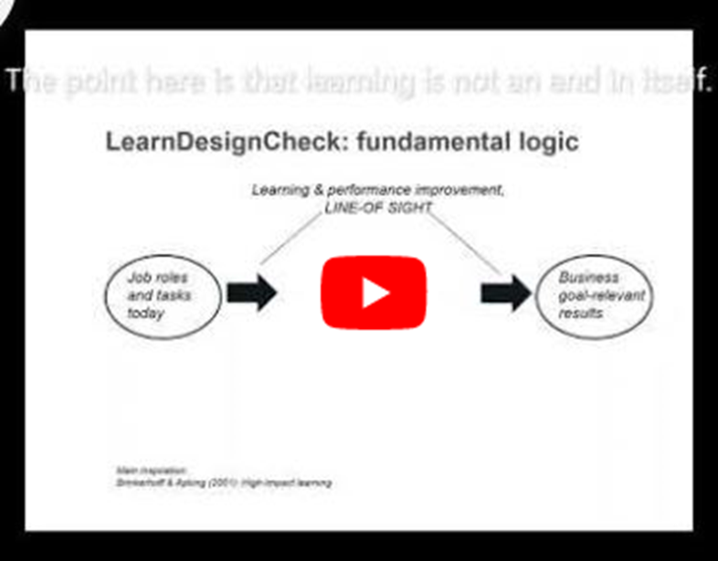
 | Go to Sheet overview |  | Go to Collected information
 | LearnDesignCheck, version 0.5

 | Purpose
 | LearnDesignCheck is a tool to be used whenever an initiative involving learning is made. It contains a checklist of parameters needed to be considered to secure that the learning inititative contributes to business goals. Linked to the checklist there is a listing of available data for each parameter. It is recommended that LearnDesignCheck is used as a collaborative tool between learning experts and managers of the operations where the learning initiative will take place. It is both a pre-evaluation and follow-up tool, for this reason it is subdivided in three sections linked to the different stages of the initiative: Early, middle and final.

 | Fundamental logic

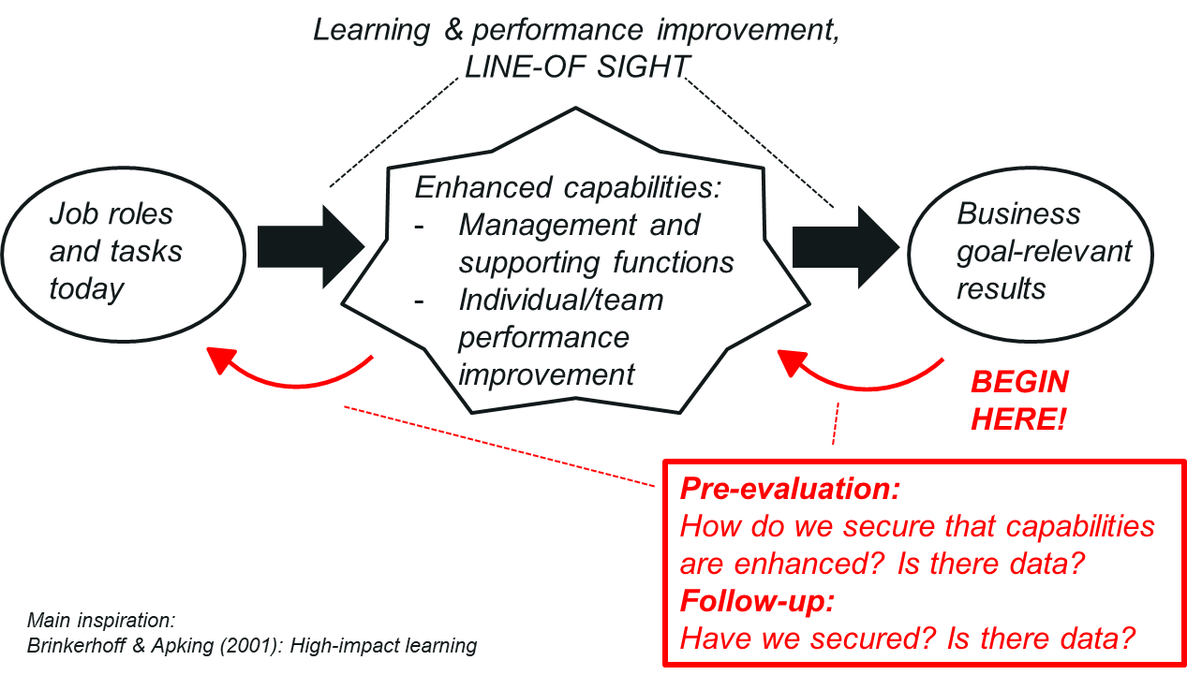

 | Structure

 |  | 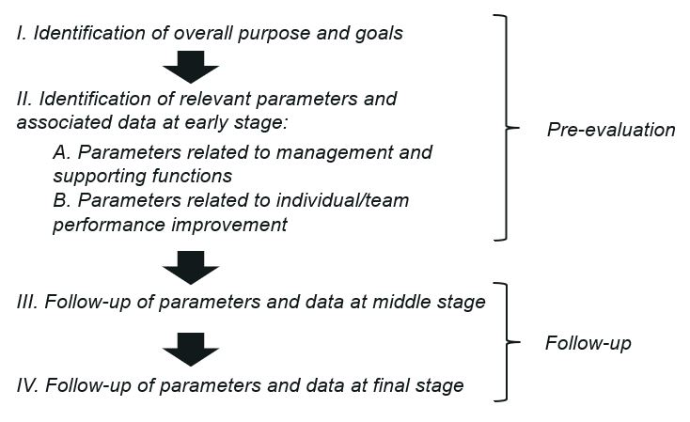

 | Three-minute video run-through of the purpose, logic and structure

